1.2 Wastewater flowrate
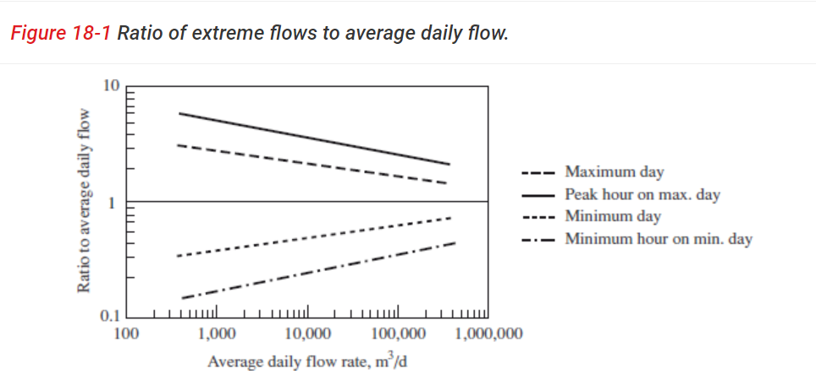
Table 1. Flowrates to the wastewater treatment plant
 | Value
Average daily flowrate, QdA (m3/d) | 50000
Average hourly flowrate, QhA (m3/h) | 2083.33
Daily design flowrate, Qd (m3/d) | 90000
Hourly design flowrate, Qh (m3/h) | 3750
Peak flowrate, QhMAX (m3/h) | 6042
Minimum flowrate, QhMIN (m3/h) | 625
Ratio Qd/QdA | 1.8
Ratio QhMAX/QhA | 2.9
Ration QhMIN/QhA | 0.3

Average daily flowrate (QdA) | 50000 | m3/d | (Selection between 10 000 - 60 000 m3/d as average daily flowrate)
Average hourly flowrate (QhA) | 2083.33 | m3/h

From figure 18-1 (Davis 2010), the ratio can be obtained as:

QhMAX / QhA | 2.9 |  | (Aligned with 'Peak hour on max.day')
QhMIN / QhA | 0.3 |  | (Aligned with 'Minimum hour on min.day')
Qd / QdA | 1.8 |  | (Aligned with 'Maximum day')

Peak flowrate (QhMAX) | 6042 | m3/h

Mimum hour on min day (QhMIN) | 625 | m3/h

Daily design flowrate (Qd) | 90000 | m3/d | (This is the chosen flowrate for the design of the wastewater treatment plant)
Hourly design flowrate (Qh) | 3750 | m3/h

2 Discharge limit
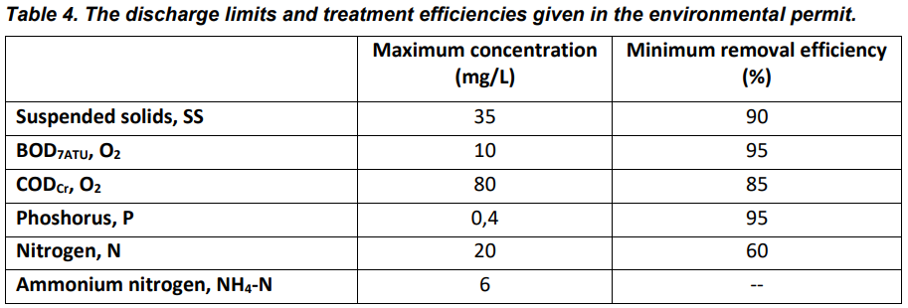

4.1 Pumping station
Table 5. Designing of pumping station
 | Value
Lift height required (m) | 4.7
The optimal capacity based on minimum flowrate (m3/h) | 1041.67
The type of pump selected | 1858
Number of pumps | 2 pumps running at peak hour and 1 backup pump
The capacity at average flowrate (%) | 28

Minimum sewage elevation | 81.7 | m
Maximum sewage elevation | 82 | m
Discharge elevation | 86.4 | m
Maximum required lift height | 4.7 | m

Minimum flowrate | 312.5 | m3/h | (Flowrate in 1 line)
Maximum flowrate | 3021 | m3/h | (Flowrate in 1 line)
Average flowrate | 1041.67 | m3/h | (Flowrate in 1 line)

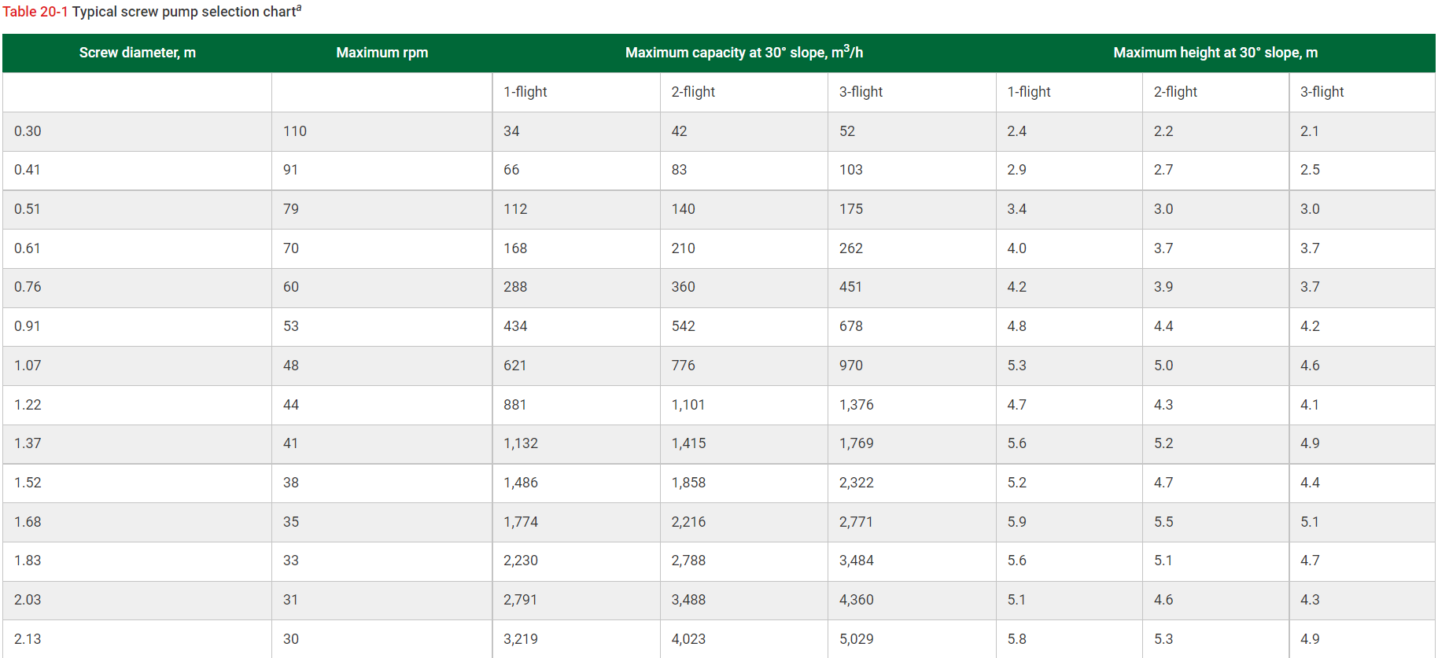
Based on table 20-1 (Davis 2010), the type of pump should be used is the 2-flight pump with screw diameter 1.52m
This type of pump meets the requirement of lift height, plus, the maximum capacity is over the average flowrate.
Therefore, it is the most suitable pump in this case.

When considering the capacity of 30% and a reduced efficiency of 60%
Optimal capacity | 1041.67 | m3/h
The selection of the pump is the same as mentioned above when considering the capacity and efficiency.

Maximum capacity of pump | 1858 | m3/h
Number of pump at peak flowrate | 1.63 | pumps
 | approx. 2 | pumps
The number of the pumps in the plant should be 3 for backup pumps or maintenance

Operation of 2 pumps at average flowrate | 520.83 | m3/h
Capacity at average flowrate | 28 | %

4.2 Bar rack
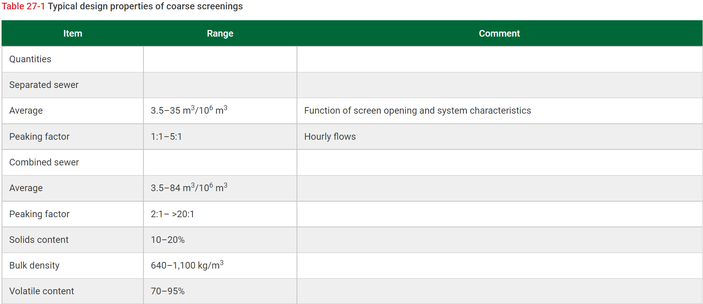
Table 6. Input data to design a bar rack
 | Value | Notice
Velocity in the channel (m/s) | 0.4 - 0.9
Slope of the channel (m/m) | 0.0001 - 0.0005 | Select suitable
Coefficient of roughness for concrete | 0.012 | Manning equation
Channel width (m) | 0.4 - 3 | Select suitable
Freeboard above water level (m) | 0.6
Number of channels

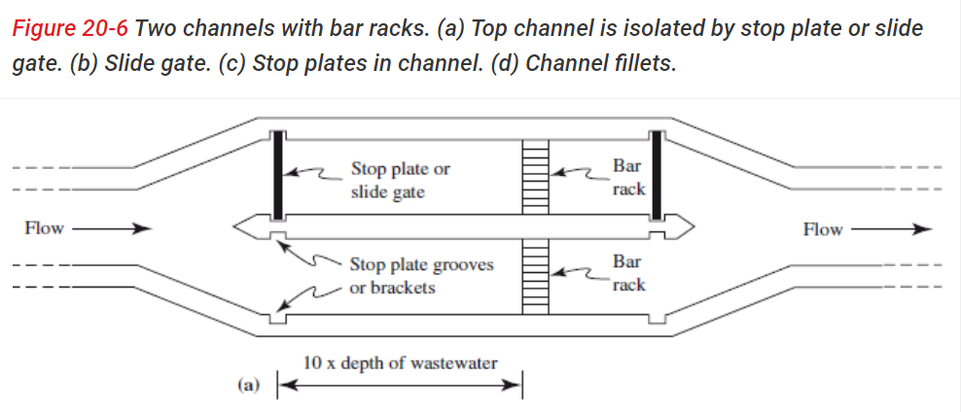
Table 7. Designing of bar rack
 | Value
Number of bar racks | 3 |  | (2 bar racks in main line, and 1 for back-up)
Length (m) | 14.47 |  | (According to figure 20-6 in Davis 2010, the lenth of the channel is 10*depth of bar rack)
Width (m) | 2
Depth (m) | 1.45 |  | (The depth of the channel is the water level at peak flowrate plus 0.6m as free board)
Water level at average flowrate (m) | 0.36
Headloss with 50% clogged bar rack at average flowrate (m) | 0.17
Amount of waste (kg/d) | 600
Amount of waste (m3/d) | 0.75
Number and volume of containers and emptying interval | 1 container with V=1 m3 per line. Emptying interval: 1 day

Flowrate (1 line)
 | Average | 25000 | m3/d |  | Peak | 72500 | m3/d | Minimum | 7500 | m3/d
 |  | 1041.67 | m3/h |  |  | 3020.83 | m3/h |  | 312.50 | m3/h
 |  | 0.29 | m3/s |  |  | 0.84 | m3/s |  | 0.087 | m3/s

 | Input data |  |  |  | Input data |  |  | Input data
 | Rougness coeffiecient (n) | 0.012 |  |  | Roughness coefficient (n) | 0.012 |  | Roughness coefficient (n) | 0.012
 | Slope (S) | 0.0001 | m/m |  | Slope (S) | 0.0001 | m/m | Slope (S) | 0.0001 | m/m

 | Geometric |  |  |  | Geometrics |  |  | Geometrics
 | W | 2 | m |  | W | 2 | m | W | 2 | m
 | D | 0.362 | m |  | D | 0.847 | m | D | 0.182 | m
 | A (initial estimate) | 0.723 | m2 |  | A (initial estimate) | 2.098 | m2 | A (initial estimate) | 0.217 | m2 | (0.4 is the minimum velocity for the design of the bar rack)
 | D (initial estimate) | 0.362 | m |  | D (initial estimate) | 1.049 | m | D (initial estimate) | 0.109 | m

$$v= \frac{1}{n}R^{2/3}S^{0.5} (Manning equation)$$
 | R | 0.266 | m |  | R | 0.459 | m | R | 0.154 | m
 | A | 0.724 | m2 |  | A | 1.693 | m2 | A | 0.363 | m2
 | Wet perimeter | 2.724 | m |  | Wet perimeter | 3.693 | m | Wet perimeter | 2.363 | m

 | Manning equation |  |  |  | Manning equation |  |  | Manning equation
 | v | 0.4 |  |  | v | 0.50 |  | v | 0.24 |  | (With the minimum flowrate, the velocity is smaller than 0.4 m/2. Therefore, there is only 1 bar rack needed in the case
 |  |  |  |  |  |  |  |  |  |  | of minimum velocity)
 | A | 0.723 |  |  | A | 1.69 |  | A | 0.36

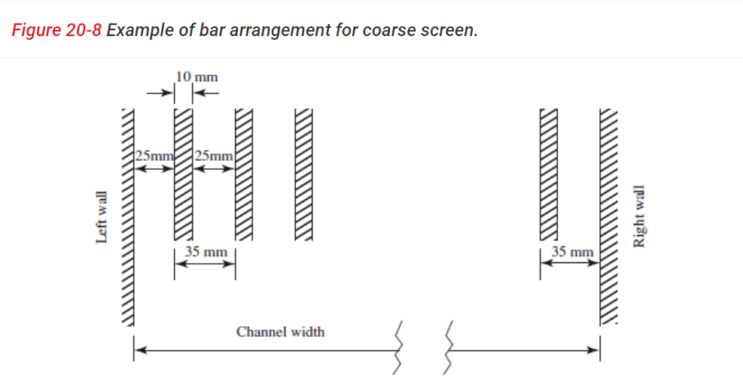
* Calculating the headloss of bar rack
Channel width | 2 | m
 | 2000 | mm
Bar width | 10 | mm
Bar spacing | 20 | mm
Slope | 30
k_clean | 1.43 |  |  | (Discharge coefficient)
k_clogged | 1.67 |  |  | (Discharge coefficient)
Number of bars | 66 | bars |  | (Equation 20-6 in Davis 2010)
Number of bar space | 67 | spaces |  | (Number of space = Number of bars + 1)
Effective screening area | 1.13 | m2
v_through | 0.74 | m/s |  | (In the recommended range 0.4 - 0.9)
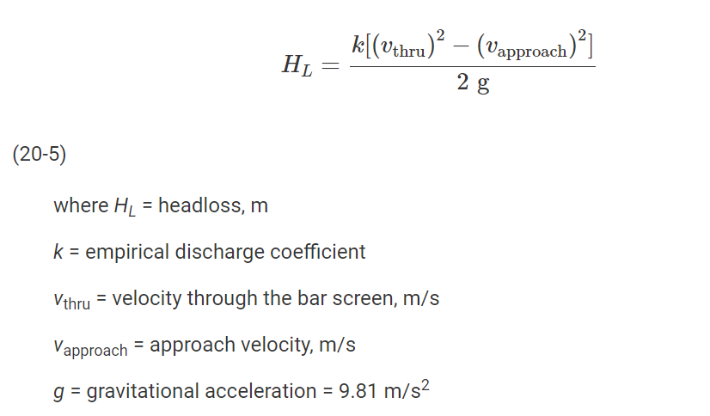
v_approach | 0.50 | m/s |  | (v_approach = v_peak flow as described in Davis example 20-3 and 20-4)
Gravitational acceleration (g) | 9.81 | m/s2
Headloss (clean bar rack) | 0.02 | m |  | (Equation 20-5 in Davis 2010)
 | 20 | mm
Headloss (50% clogged bar rack) | 0.17 | m |  | (When the bar rack is 50% clogged, the area of flow is reduced
 | 170 | mm |  | to 50 %. Hence, the v_through is doubled)

The headloss of clean bar rack is fine, but the headloss of clogged bar rack exceed the limitation by operational control. As stated in Davis 2010, the headloss is limited to 150mm

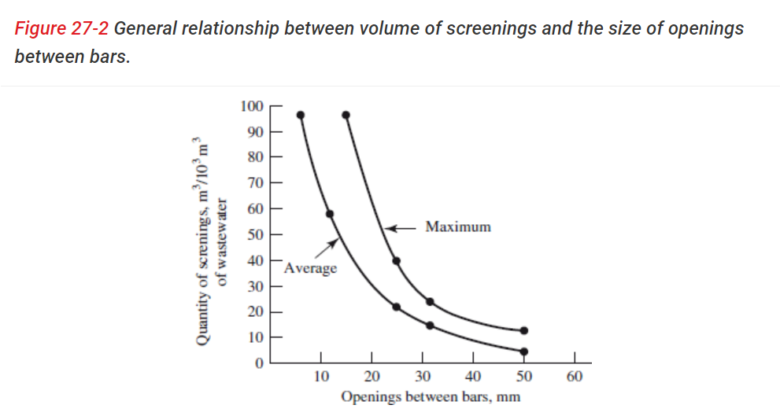
* Estimating the amount of waste in bar rack
Screen quantity | 30 | m3 waste/10^6 m3 wastewater |  | (Selection from figure 27-2 in Davis 2010)
Q_avg | 25000 | m3/d
Amount of waste | 0.75 | m3 waste/d
Bulk density | 800 | kg/m3 |  | (Selection from table 27-1 in Davis 2010)
Amount of waste | 600 | kg/d
V_container | 1 | m3 |  | (Selection from the instruction)
Empty interval | 1.33 | day
 | 1 | day
The reason for choosing 1 m3 container is because the waste produced is 0.75 m3/d, and the container should be bigger than that amount of waste.
In addition, too big container will results in cost increasing. Therefore, the most suitable one is the 1 m3 container.
The empty interval is calculate by dividing the volume of the container to the amount of waste (m3/d). It is obvious that the waste accounts for 75%
of the container's volume everyday. Hence, it is necessary to empty the waste for next day usage.

4.3 Grit removal
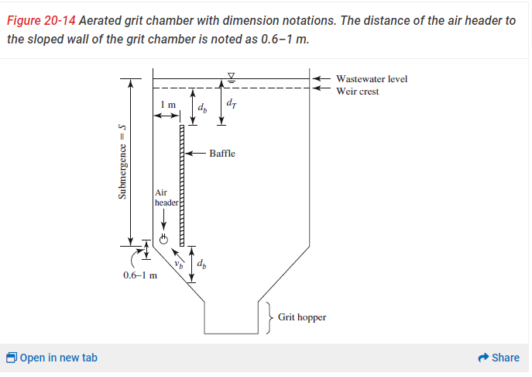
Table 8. Input data to design grit removal
 | Value
Velocity across bottom of chamber v_b (m/s) | ≤ 0.15
Depth (m) | 3
Width (m) | 4.5
Submergence (m) | 2.4
Air flow rate A_f (m3/(s*m)) | 0.004
Openning slot under the baffle d_b (m) | 0.6
Width of the grit channel (m) | 1

Table 9. Designing of the grit removal
 | Value
Number of tanks | 1 |  | (1 tank per treatment line)
Volume (m3) | 151.04
Geometry: L x W x D | 11.19 x 4.5 x 3
Ratio Length/Width | 2.5
Ratio Length/Depth | 3.73
Retention time (min) | 3
Achieved velocity across bottom of chamber v_b (m/s) | 0.15
Grit volume (m3/d) | 14.5
Mass of grit (kg/d) | 21750
Number and volume of containers and emptying interval | Two 10m3 containers per line Emptying interval: 1 day

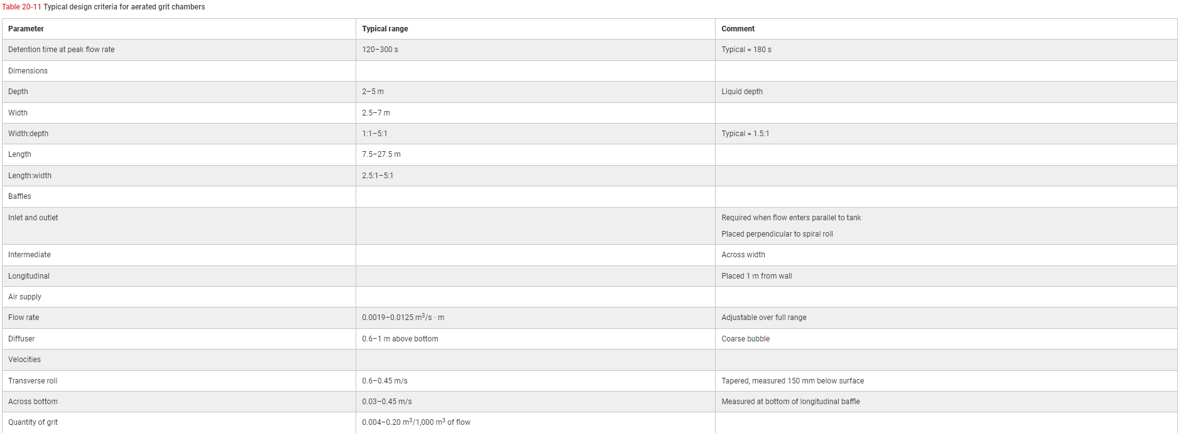
* Design of grit removal
Q_peak flow | 3021 | m3/h |  | (1 treatment line)
 | 0.84 | m3/s
Detention time | 180 | s |  | (From table 20-11 in Davis 2010)
V_grit chamber (estimated) | 151.04 | m3
Water depth (D) | 3 | m |  | (From table 20-11 in Davis 2010)
W/D | 1.5 |  |  | (From table 20-11 in Davis 2010)
Water width (W) | 4.5 | m |  | (Acceptable value (Davis 2010))
Length (L) | 11.19 | m |  | (Acceptable since 7.5 < L < 27.5 (Davis 2010))
L/W | 2.5 |  |  | (Acceptable since L/W = 2.5:1 - 5:1)
K | 0.7 | m.s |  | (Dimensional coefficient)
A_f | 0.004 | (m3/s)*m |  | (Typical range 0.0019-0.0125 -> OK)
d_b | 0.6 | m |  | (Typical range 0.6-1 -> OK)
S | 2.4 | m
v_b | 0.15 | m/s |  | (Equation 20-11 in Davis 2010)
By using 'Goal Seek' (Data -> What If Analysis -> Goal Seek), the iteration for v_b can be done.
d_b was selected in the range of 0.6 - 1m (Davis 2010). The value which were iterated was A_f
After iteration, A_f was 0.004 (m3/s)*s, which was in the typical range 0.0019-0.0125 (m3/s)*m

Grit loading | 0.0002 | m3/m3 flow
V_grit | 0.60 | m3/h
 | 14.5 | m3/d
Width of grit channel | 1 | m
Depth of grit channel | 1.30 | m
Density | 1500 | kg/m3 |  | (From instruction)
Grit mass | 21750 | kg/d
Number of containers | 2
V_container | 10 | m3
Total V_container | 20 | m3
Emptying interval | 1.38 | days |  | (Approximately, the emptying interval is 1 day because there is insufficient volume for accumulating
 |  |  |  | the grit in 2 days)

4.4 Primary Settling
Table 10. Concentration and loading of wastewater pollutants to activated sludge process

Parameter | Loading to the wastewater treatment plant at design flowrate (kg/d) | Reduction in primary settling (%) | Reduction in primary settling (kg/d) | Loading in activated sludge process at design flowrate (L_as)(kg/d) | Concentration in activated sludge process at design flowrate (C_as)(mg/L)
Suspended solid | 36450 | 50 | 18225 | 18225 | 202.5
COD_Cr | 63900 | 30 | 19170 | 44730 | 497
BOD7-atu | 22950 | 30 | 6885 | 16065 | 178.5
P-tot | 846 | 30 | 253.8 | 592.2 | 6.58
N-tot | 5940 | 0 | 0 | 5940 | 66

Qd | 90000 | m3/d

Table 11. Input data for the design of primary settling |  |  |  | Table 12. The designing of the primary settling
 | Value |  |  |  | Value
Surface loading rate at peak flowrate (m3/d/m2) | 100 |  |  | Surface area (m2) | 725
Depth (m) | 4.3 |  |  | Diameter (m) | 30.38
Retention time in the feedwell (min) | 20 |  |  | Water depth (m) | 4.3
Number of tanks | 2 | (1 tank per line) |  | Volume (m3) | 347.22
 |  |  |  | Diameter of feedwell (m) | 14.34
 |  |  |  | Length of weirs (m) | 190.90
 |  |  |  | Weir loading rate (m3/h.m) | 15.82

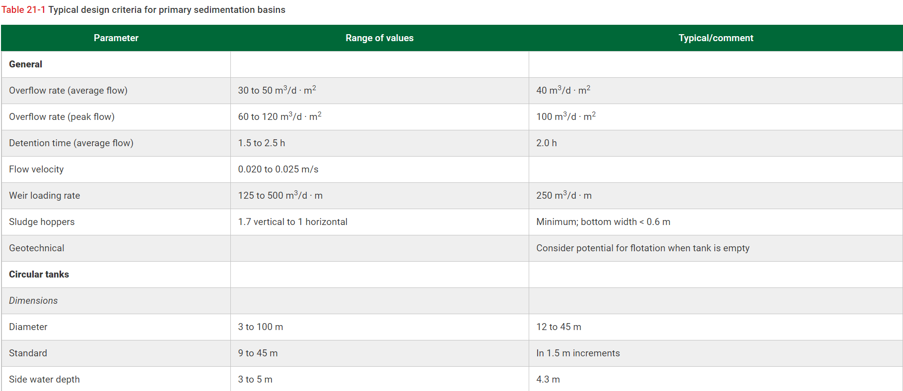
* Designing of primary settling
Overflow rate (peak flow) | 100 | m3/(m2*d) | (Selection from table 21-1 in Davis 2010)
Peak flow rate | 3021 | m3/h | (Flowrate in 1 line)
 | 72500 | m3/d
Surface area | 725 | m2
Tank's diameter | 30.38 | m | (As in table 21-1, the value is in typical range 12-45m)
Tank's depth | 4.3 | m | (Selection from table 21-1 in Davis 2010)

Retention time | 20 | min | (As in the instruction)
Average flowrate | 1041.67 | m3/h
 | 25000 | m3/d
Volume of feedwell | 347.22 | m3
The depth of feedwell | 2.15 | m | (The depth of feedwell is 30-75% of tank depth (Davis 2010))
Surface area feedwell | 161.50 | m2
Diamter of feedwell | 14.34 | m | (The value is smaller than 50% of tank's diameter -> OK)

Length of weir | 95.45 | m | (Length of weir = perimeter of the bottom of tank)
Length of double edged weir | 190.90 | m | (It is recommended to use this type of weir
 |  |  | to reduce the weir loading)
Weir loading rate | 379.78 | (m3/d.m)
 | 15.82 | (m3/h.m)

4.6 Activated sludge process
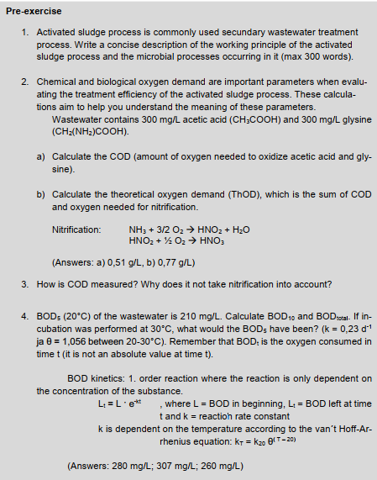
 |  |  |  |  | 1)
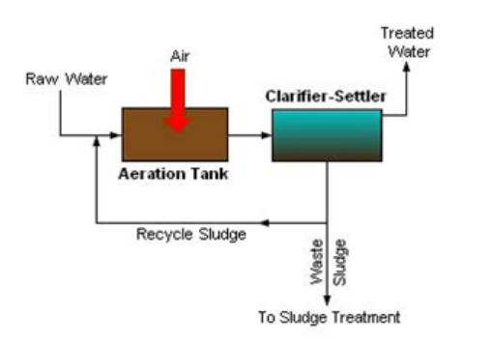

 |  |  |  |  | The activated sludge is a biological process which occurs after the primary settling in a wastewater treatment plant.
 |  |  |  |  | The basic components of the activated sludge process are aeration tank, settling tank, and return activated sludge equipment.
 |  |  |  |  | After the primary settling, the wastewater is transferred to the aeration tank, where air is pumped to combine with microorganism in the fluent to form biological flocs.
 |  |  |  |  | This biological floc is called "Activated Sludge". The mixture of raw sewage and biological mass is known as "Mixed Liquor".
 |  |  |  |  | After the aeration process, the mixed liquor will go to the secondary clarifier. In this tank, the activated sludge is settled out, and the treated water will move on to further treatment process.
 |  |  |  |  | The settled out sludge in the secondary clarifier (normally known as "Return Activated Sludge") will be returned to the aeration tank to maintain the population of microbes as well as permits rapid breakdown of organic compounds.
 |  |  |  |  | Since activated sludge is often produced more than desire, some of the returned activated sludge will not be returned to the aeration tank. Instead of that, it will undergo another disposal or sludge treatment process. This type of sludge is known as "Waste Activated Sludge"

 |  |  |  |  | Here are some terms that are familiar within the activated sludge process.
 |  |  |  |  | - Mixed Liquor Suspended Solid (MLSS)
 |  |  |  |  | - Mixed Liquor Volatile Suspended Solid (MLVSS)

 |  |  |  |  | The graph illustrates the microbial activity during the activated sludge process.
 |  |  |  |  | Phase A illustrate the duration of young sludge age. Here, we have a low floc formation and low population of floc form bacteria but high concentration of free bacteria. In this phase, the effluent will be appeared as cloudy because there is not much settling in the effluent. Having low population of floc formation also means that the F/M ratio, which represent for BOD or food, is high.
 |  |  |  |  | Phase B shows the healthy of sludge age. In this phase, floc formation bacteria begin to grow up and secrete an agent that form flocs, therefore, the effluent appears to be clearer as more flocs are able to settle. The F/M ratio in this phase begins to reduce since bacteria are able to reduce the BOD in the effluent.
 |  |  |  |  | Phase C shows the duration of old sludge age. In this phase, the F/M ratio begin to drop. This cause a problem of lacking food for bacteria. Thus, the bacteria start eating the flocculating chemical which helps the flocs to stick together. By doing so, the flocs begin to dispatch

 |  |  |  |  | References |  | Lenntech. N.d. MLVSS - Mixed liquor volatile suspended solid. Website. Available: https://www.lenntech.com/wwtp/mlvss.htm#:~:text=MVLSS%20is%20generally%20defined%20as,sludge%20biological%20wastewater%20treatment%20plant.
 |  |  |  |  |  |  | Davis, M. L. 2010. Water and Wastewater Engineering: Design Principles and Practice. McGraw-Hill Education. Ch23
 |  |  |  |  |  |  | The International Water Association. N.d. Activated Sludge Process. Website. Available: https://www.iwapublishing.com/news/activated-sludge-process

2)
a) | CH3COOH + 2O2 -> 2CO2 + 2H2O (1) |  |  |  |  | C2H5NO2 + 1.5O2 -> NH3 + 2CO2 + H2O (2)

M_C2H4O2 | 60 | g/mol |  |  | M_C2H5NO2 | 75 | g/mol
M_O2 | 32 | g/mol |  |  | M_O2 | 32 | g/mol

m_C2H4O2 | 300 | mg/L |  |  | m_C2H5NO2 | 300 | mg/L
n_C2H4O2 | 0.005 | mol/L |  |  | n_C2H5NO2 | 0.004 | mol/L
According to equation (1), 1 mol CH3COOH will consume 2 mol O2 |  |  |  |  | According to equation (2), 1 mol of C2H5NO2 will need 1.5 mol O2
n_O2 | 0.01 | mol/L |  |  | n_O2 | 0.006 | mol/L
m_O2(1) | 0.32 | g/L |  |  | m_O2(2) | 0.192 | g/L

Total amount COD | 0.51 | g/L

b) | NH3 + 3/2 O2 -> HNO2 + H2O (3)
 | HNO2 + 1/2 O2 -> HNO3 (4)

From (2) | n_NH3 | 0.004 | mol/L | (n_NH3 = n_C2H5NO2)
From (3) | n_O2(3) | 0.006 | mol/L | (n_O2(3) = 1.5*n_NH3)
 | m_O2(3) | 0.192 | g/L
 | n_HNO2 | 0.004 | mol/L
From (4) | n_O2(4) | 0.002 | mol/L | (n_O2(4) = 0.5*n_HNO2)
 | m_O2(4) | 0.064 | g/L

ThOD | 0.77 | g/L

3)
COD is the defined as Chemical Oxygen Demand. It is used to measure the water and wastewater quality.
The COD is the amount of oxygen consumed to chemically oxidize organic water contaminants to Inorganic end products.
The COD is measured by using a strong oxidant (e.g. K2Cr2O7, KI, or KMnO4) under acidic condition.
A known excess amount of oxidant is added to the sample. Once oxidation is complete, the concentration of organics in the sample is calculated by measuring the amount of oxidant remaining in the solution. This is usually done by titration, using an indicator solution.
The COD test takes 2-3 hours. It can measure all organic contaminants, including those that are not biodegradable.

In my opinion, the reason COD test is not include nitrification is because it will affect the accuracy of the COD test.
Nitrification bacteria are microoragnism that consumes oxygen to oxidize the organic matter in the wastewater, whilst COD is used to measure oxygen that are consumed chemically to oxidize organic matter.

References:
Water for COD-Chemical Oxygen Demand. Merck, website, available (accessed on 18.02.2022): https://www.merckmillipore.com/FI/en/water-purification/learning-centers/applications/environment-water-analysis/cod/CLqb.qB.BIMAAAFAZwsQWTdi,nav?ReferrerURL=https%3A%2F%2Fwww.google.com%2F&bd=1

4)
k_20oC | 0.23 | d^-1
theta | 1.056
k_30oC | 0.40 | d^-1

Let BOD_total = x, then we have x - 210 =x*e^(-kt)

* At T = 20oC
BOD5 | 210 | mg/L
BOD_total | 307.30 | mg/L
BOD_10_left | 30.81 | mg/L
BOD_10 | 276.49 | mg/L

* At T = 30oC
BOD5_left | 42.30
BOD5 | 265.00 | mg/L

4.6.1 Aerobic stage
Table 13. Biokinetic parameters for heterotrophs and nitrying bacteria |  |  |  |  | Table 14. Designing of activated sludge process
Meaning of parameter | Heterotroph | Unit | Φ | Value at 12oC |  | Value
Maximum specific growth rate | μm |  | 1.08 |  | μn (1/d) | 0.14
Half saturation constant | K_s |  | 1 |  | θc,min (d) | 7.39
Decay rate | K_d |  | 1.03 |  | θc (d) | 18.47
Yield | Y | (g VSS/g bCOD) | 1 | 0.4 | Px (kg/d) | 2344.63
Fraction of cell mass that remains as cell debris | f_d | (g/g) | 1 | 0.15 | Nitrogen oxidized Nox (mg/L) | 56.75
Meaning of parameter | Nitrifying bacteria | Unit | Φ | Value at 12oC | m_MLVSS (mg/L) | 43295.06
 |  |  |  |  | m_MLSS (mg/L) | 54118.82
Maximum specific growth rate | μn_max | g VSS/(g VSS*d) | 1.123 |  | Volume and geometry (L x W x D) | 66.81 x 27 x 7.5
Half velocity constant | K_n | g NH4-N/m3 | 1.03 |  | HRT (h) | 7.22
Endogenous decay coefficient | K_dn | g VSS/(g VSS*d) | 1.03
Half saturation constant for DO | K_0 | (g/m3) |  | 0.5
Yield | Y_n | (g VSS/g NH4-N) |  | 0.12

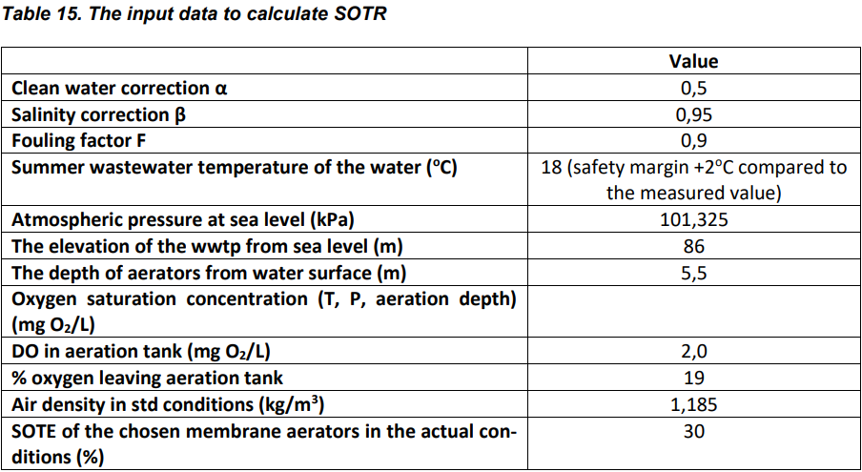
 |  |  |  |  | Table 16. Data for aeration
 |  |  |  |  |  | Value
 |  |  |  |  | M_O2 = OTR = AOTR (kg/d) | 19776.49
 |  |  |  |  | SOTR | 46100.49
 |  |  |  |  | Air flow rate in std conditions (m3/h) | 9991.04
 |  |  |  |  | Number of compressor (+extra) | 5
 |  |  |  |  | Air flowrate per compressor (m3/h) | 2000

 |  |  |  |  | Table 17. The amount of CaCO3 needed to be added in the aeration tank to compensate for alkalinity loss for nitrification
 |  |  |  |  |  | Value
 |  |  |  |  | To be added CaCO3 | 254.18

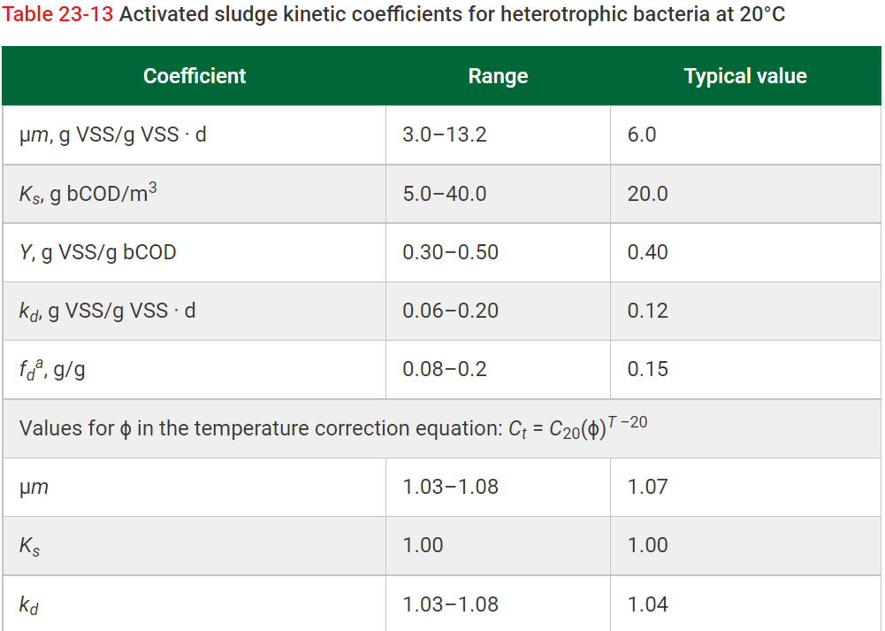
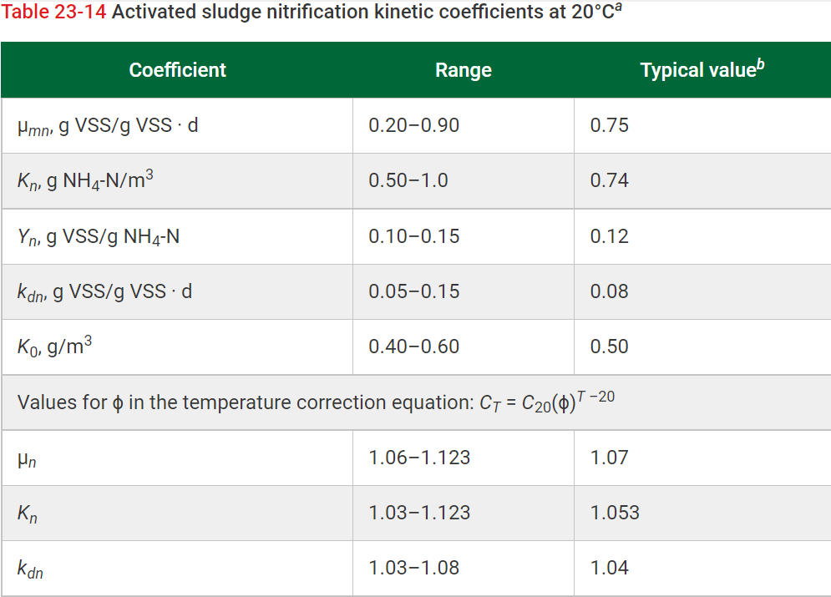
*Calculation of biokinetic parameter
Qd | 45000 | m3/d |  | (Flowrate in 1 line)
Qh | 1875 | m3/h

For heterotroph
μm (12oC) | 3.24 | g VSS/(g VSS*d) |  | (μm is selected from table 23-13 in Davis 2010)
 |  |  |  | (The formula for temperature correction is shown in the same table)
K_s (12oC) | 20 | g bCOD/m3
K_d (12oC) | 0.095 | g VSS/(g VSS*d)
Y (12oC) | 0.4 | g VSS/g bCOD
f_d (12oC) | 0.15 | g/g

For nitrifier
μn_max (12oC) | 0.30 | g VSS/(g VSS*d)
K_n (12oC) | 0.58 | g NH4-N/m3
K_dn (12oC) | 0.063 | g VSS/(g VSS*d)
K_0 (12oC) | 0.5 | g/m3
Y_n (12oC) | 0.12 | g VSS/g NH4-N

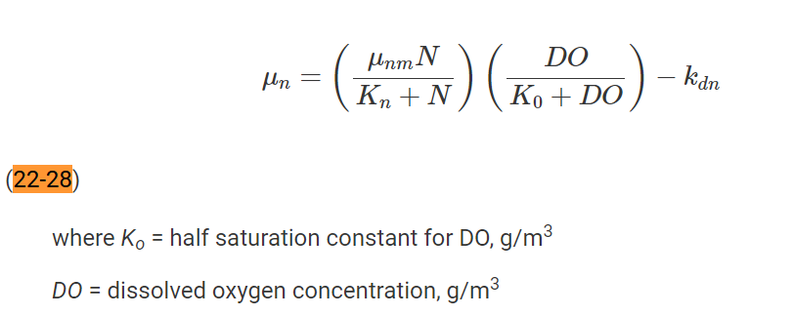
* Estimating μn
Dissolved oxygen (DO) | 2 | mg/L |  | (As in the instruction)
Nitrogen concentration | 3 | mg/L |  | (As in the instruction)
Specific growth rate (μn) | 0.14 | d^-1 |  | (Equation 22-28 in Davis 2010)

* Calculating critical cell retention time and actual cell retention time
θc_min | 7.39 | days
Safety factor | 2.5 |  |  | (From figure 23-18 in Davis 2010)
θc | 18.47 | days |  | (The value is within the SRT guidelines for biological phosphorus removal)
 |  |  |  | (Typical range for BPR: 5-25 days (for A2/O process)

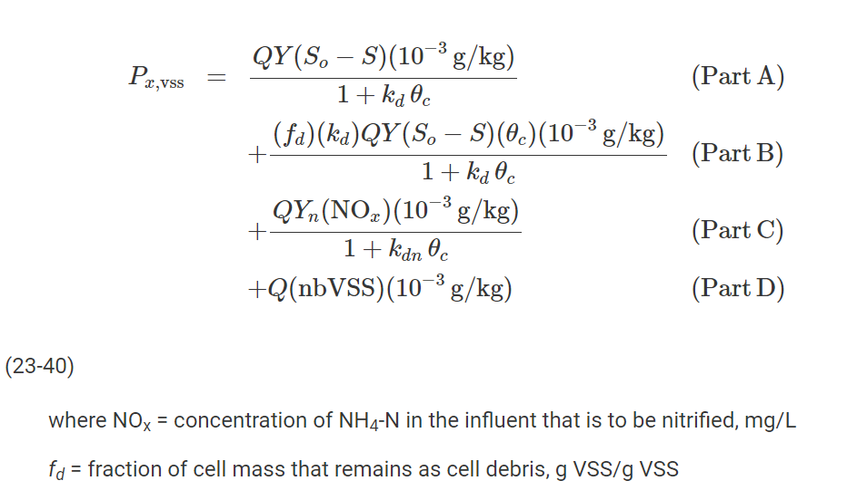
*Estimating biomas production (Px)
N_tot | 66 | mg/L
TKN | 66 | mg/L |  | (TKN ≈ N_total)
NOx | 52.8 | mg/L |  | (NOx = 0.8*N_total)
S_0 (bCOD) | 267.75 | mg/L |  | (bCOD = 1.5*BOD7)
Based on the equation 23-40 in Davis 2010, part A, B, C are calculated as follow
Part A | 1753.03 | kg VSS/d
Part B | 459.97 | kg VSS/d
Part C | 131.62 | kg VSS/d
Px | 2344.63 | kg VSS/d

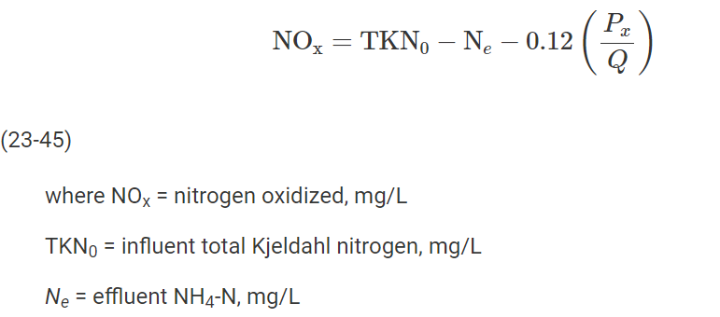
* Calculating amount of NH4-N to NOx
Effluent NH4-N (Ne) | 3 | mg/L |  | (As estimated when calculating the specific growth rate μn)
TKN0 | 66 | mg/L
Actual NOx | 56.75 | g/m3 |  | (Equation 23-45 in Davis 2010)

* Calculating mass of MLVSS
MLSS_concentration | 4000 | mg/L
MLVSS_concentration | 3200 | mg/L
Mass of MLVSS | 43295.06 | kg |  | (Mass generated each days * SRT)
Mass of MLSS | 54118.82 | kg |  | (Since MLVSS = 0.8*MLSS -> MLSS = MLVSS/0.8)

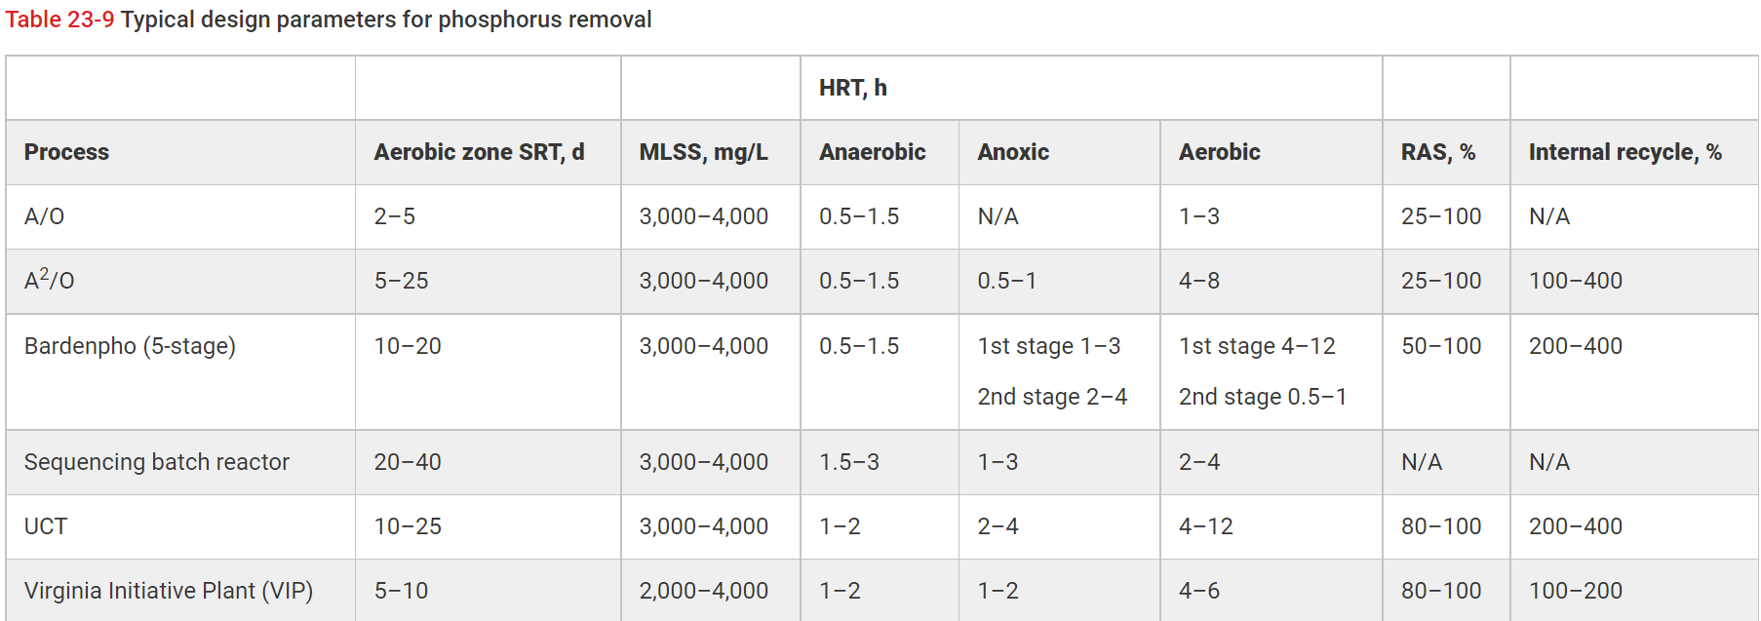
*Calculating volume and HRT of aeration tank
Volume | 13529.71 | m3
Hydraulic retention time (θ) | 0.30 | d
 | 7.22 | h |  | (According to table 23-9 in Davis 2010, the value is in the range of HRT for A2/O process)

* Designing the aeration tank
Freeboard | 1.5 | m |  | (Typical freeboard size is 1-1.5m (Davis 2010))
Total depth | 7.5 | m |  | (Based on table 23-18 (Davis 2010), the chosen aerator size is 75 kW with depth = 6m)
Width | 27 | m |  | (Corresponding to the depth)
Area of tank | 1803.96 | m2
Length | 66.81 | m
L/W | 2.47 |  |  | (This is within the range. The recommended ratio is L:W < 3:1)

*Calculating the oxygen transfer rate (OTR)
Mass of oxygen (M_O2) | 19776.49 | kgO2/d |  | (Equation 23-44 in Davis 2010)
OTR | 19776.49 | kgO2/d |  | (The result includes the oxygen credit of 2.86 gO2/g NO3-N for denitrification)

*Calculating the standard oxygen transfer rate (SOTR)
Temperature of water in the summer (T) | 18 | C
 | 291 | K
Clean water correction (α) | 0.5
Salinity correction (β) | 0.95
Fouling factor | 0.9
Atmospheric pressure at sea level | 101.325 | kPa
Elevation of wwtp from sea level | 86 | m
Depth of aerators from water surface | 5.5 | m
DO in aeration tank | 2 | mg/L
% O2 leaving aeration tank | 19 | %
Air density in standard conditions | 1.185 | kg/m3
SOTE of the chosen membrane aerator in actual conditions | 30 | %
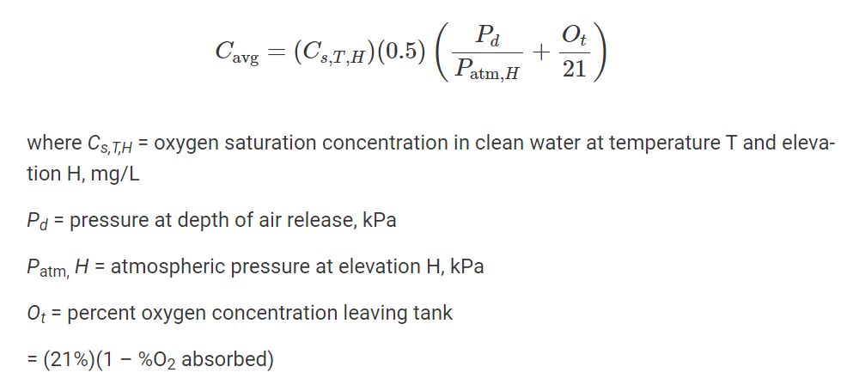
Cs,18,H | 9.54 | mg/L |  | (Table A-2, appendix A, Davis 2010)
Cs,20,H | 9.17 | mg/L |  | (Table A-2, appendix A, Davis 2010)
Gravitational acceleration (g) | 9.81 | m/s2
Dry air molar mass | 0.0289644 | kg/mol
R | 8.3145 | J/(mol*K)
Pressure at height 86 m | 100306.81 | Pa |  | (The formula is as follow:
P_atm_h | 10.24 | m |  | (Specific weight of air is 9.8 kN/m3. The pressure is converted to meter of water)
P_d | 15.74 | m |  | (This is the pressure from the depth of aerator)
Averaged DO saturation concentration (C_avg) | 11.65 | mg/L |  | (Equation below equation 23-50)
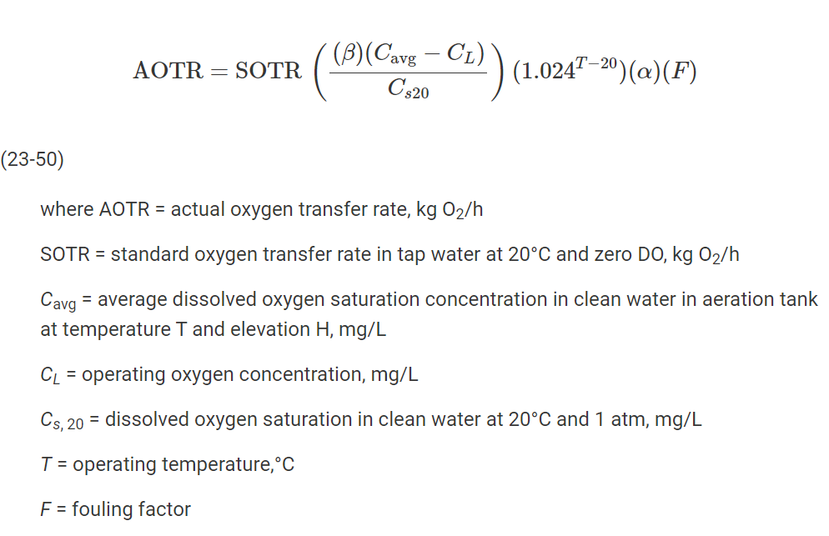
SOTR required | 46100.49 | kg/d |  | (Derived from equation 23-50 in Davis 2010)

* Choosing the number of aerators
%mass of O2 in air | 23.2 | %
Required air flowrate | 239784.84 | m3/d |  | (The relationship between SOTR and air flowrate is shown in example 23-5 Davis 2010)
Chosen compressor | 2000 | m3/h
Number of aerators | 4.9955175139 | aerators
 | 5 | aerators
The chosen aerator is 2000 m3/h because, based on table 23-6 in Davis 2010, air flowrate in the range of 2000-12000
m3/d provides the most aeration efficiency. Also, when comparing the energy consumption, the more efficiency the aeration is,
the less energy is consumed. For example, the energy consumed by jet, side header is 548.6 kW, whereas, the energy consumption
of nonporous, single spiral roll is 1010 kW.

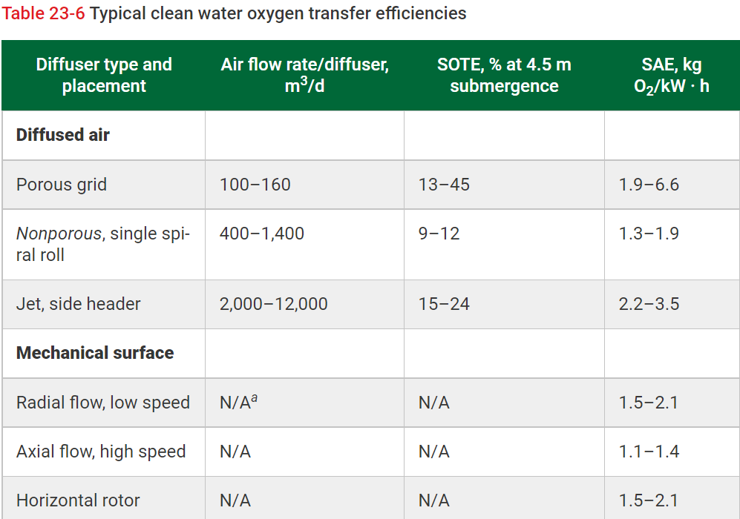
* Calculating amount of CaCO3
Alkalinity_influent | 90 | g/m3 CaCO3
Amount of nitrogen converted to NO3- | 37 | g/m3
Alkalinity used in nitrification | 264.18 | g/m3 |  | (For each gram of NH4-N is converted, 7.14g alkalinity as CaCO3 is required)
Assuming that 80mg/L of CaCO3 is required to maintain the pH, then we have the balance equation
80 g/m3 = 90 g/m3 - 264.18 g/m3 + alkalinity to add
Adding alkalinity | 254.18 | g/m3

4.6.2 Anoxic stage
*Pretask
 | Denitrification is applied when the concentration of N-total in the influent exceed the limit value, which is stated in specific guideline or regulation.

 | In the denitrification process, heterotroph organisms, such as Pseudomonas, Alcaligenes, and Paracoccus, breaks down nitrate (NO3) to metabolize oxygen
 | and release nitrogen gas.

 | The reason that wastewater flow to anoxic then aerobic zone is because of the efficiency of the process. Denitrifiers are heterotroph, therefore, they will swallow
 | the oxygen and autotroph in the aerobic zone if the liquid flow to aerobic then to anoxic. Hence, the efficiency of oxidizing NO3- to N2 will be reduced. There
 | is also process of aerobic-anoxic, but the rate of reaction is much slower comparing to anoxic-aerobic process. Plus, chemicals must be provided
 | to enhance the rate of denitrification. Thus, it will cost more budget.

Table 18. Design parameters of the anoxic stage of the activated sludge process
 | Value
IR | 2.05
NO3-N coming in (kg/d) | 1923.64
Volume of the anoxic section (m3) | 4687.5
F/M (kg BOD7/(kg sludge*d) | 0.54
NO3-N that can be reduced (kg/d) | 2100000

* Calculating internal recycling
Qd | 45000 | m3/d | (Flowrate in 1 line)
 | 1875 | m3/h
NO3-N concentration | 14 | mg/L | (Ntot_max - N-NH4_max = 20-6 = 14 mg/L)
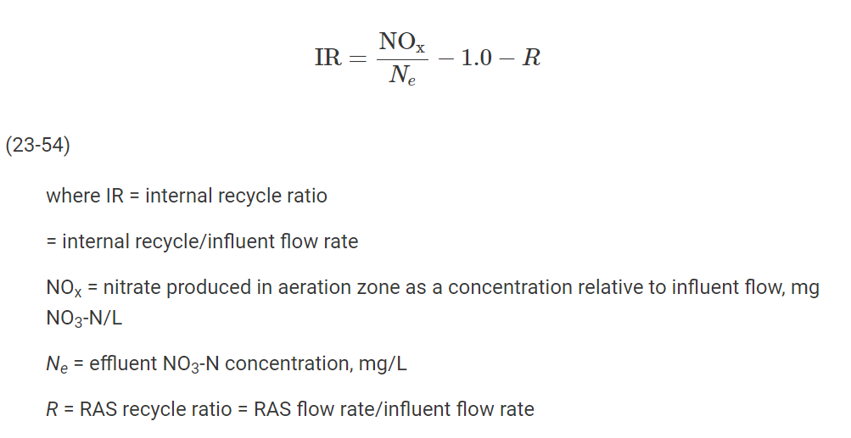
NOx | 56.75 | mg/L | (Nitrogen oxidized to NOx)
R | 1 |  | (Returned activated sludge ratio. The value is from the instruction RAS = 1*Q)
Internal recycling (IR) | 2.05

* Calculating mass of NO3-N fed to anoxic tank
Flowrate to anoxic tank | 137403.18 | m3/d | ((IR*Q)+(R*Q))
NOx_feed | 1923644.47 | g/d
 | 1923.64 | kg/d

* Calculating the anoxic stage volume
HRT | 2.5 | h
V_anoxic | 4687.5 | m3

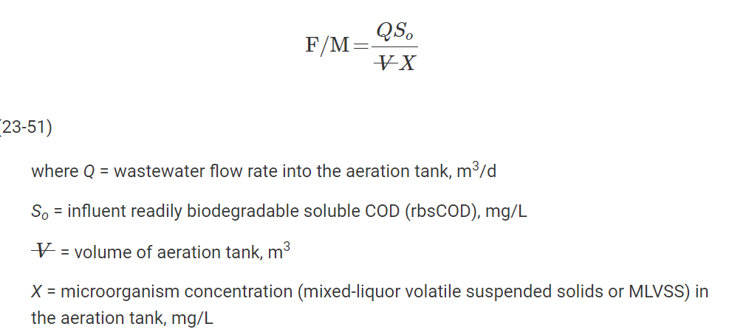
* Calculating the F/M
MLSS | 4000 | mg/L | (From 'Aerobic stage')
MLVSS | 3200 | mg/L | (MLVSS = 0.8*MLSS)
V_aeration_tank | 13529.71 | m3
S_0 | 178.5 | mg/L | (Assuming that rbsCOD = BOD7)
F/M | 0.54 | mg/(mg*d) | (The value is in the typical range of F/M: 0.04 - 2 mg/(mg*d))

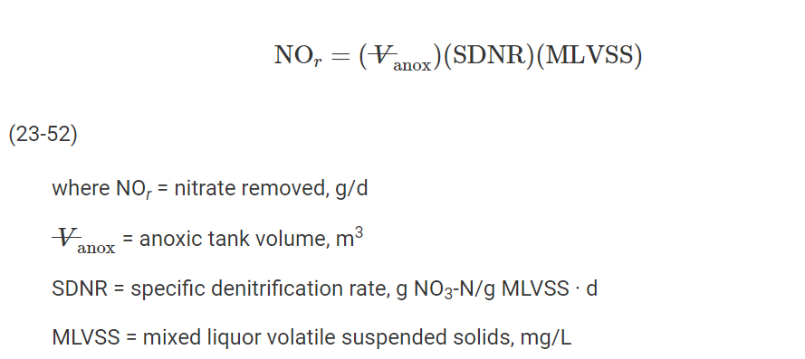
* Calculating mass of NO3-N that can be reduced
bCOD | 267.75 | mg/L
Fraction of rbCOD/bCOD | 0.33

From figure 23-12 (Davis 2010), the specific denitrification rate is:
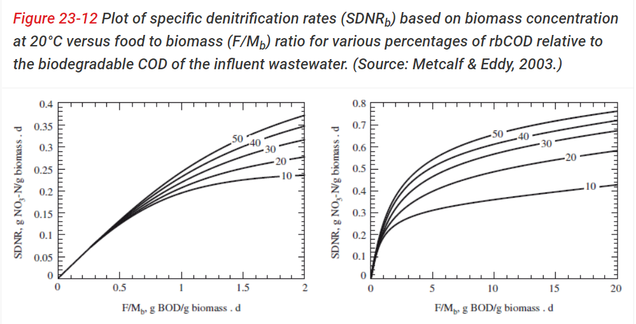

SDNR | 0.14 | g NO3-N/(g biomass*d)
NOr | 2100000 | g/d | (Nitrate removed. Equation 23-52 in Davis 2010)
It seems that the capacity for nitrate removal is exceeded since the NOx feed is only 1923 kg/d but the NOr is 2100 kg/d.
The amount of NO3-N can be adjusted to lower value to reduce the big gap in excess capacity (e.g NO3-N = 3 mg/L).

4.7 Secondary settling
Table 19. The input data to design secondary settling. |  |  |  | Table 20. Design of secondary settler
 | Value | Notice |  |  | Value
Number of settling tanks | 4 | 2 tanks per line |  | Surface area (m2) | 1320
Depth (m) | ≥4 |  |  | Volume (m3) | 5280
Width (m) | 24 | Typical range 6 - 24 m |  | Surface loading rate at QdA (m3/(m2*d) | 9.47
Length (m) | 55 | Typical range 30 - 60 m |  | Surface loading rate at Qd (m3/m2*d) | 17.05
Solid concentration (g MLSS/L) | 4 |  |  | Solids loading rate at QdA (kg/m2*h) | 3.16
Recycling ratio for sludge (%) | 25-100 | Pumps are chosen for 200% |  | Solids loading rate Qd (kg/m2*h) | 5.68
 |  |  |  | HRT at QdA (h) | 10.14
 |  |  |  | HRT at Qd (h) | 5.63
 |  |  |  | Weir loading rate (m3/h*m) | 234.375
 |  |  |  | Length of the weir (m) | 96

* Designing the settling tank
Qd | 45000 | m3/d
Qh | 1875 | m3/h
QdA | 25000 | m3/d
QhA | 1041.67 | m3/h
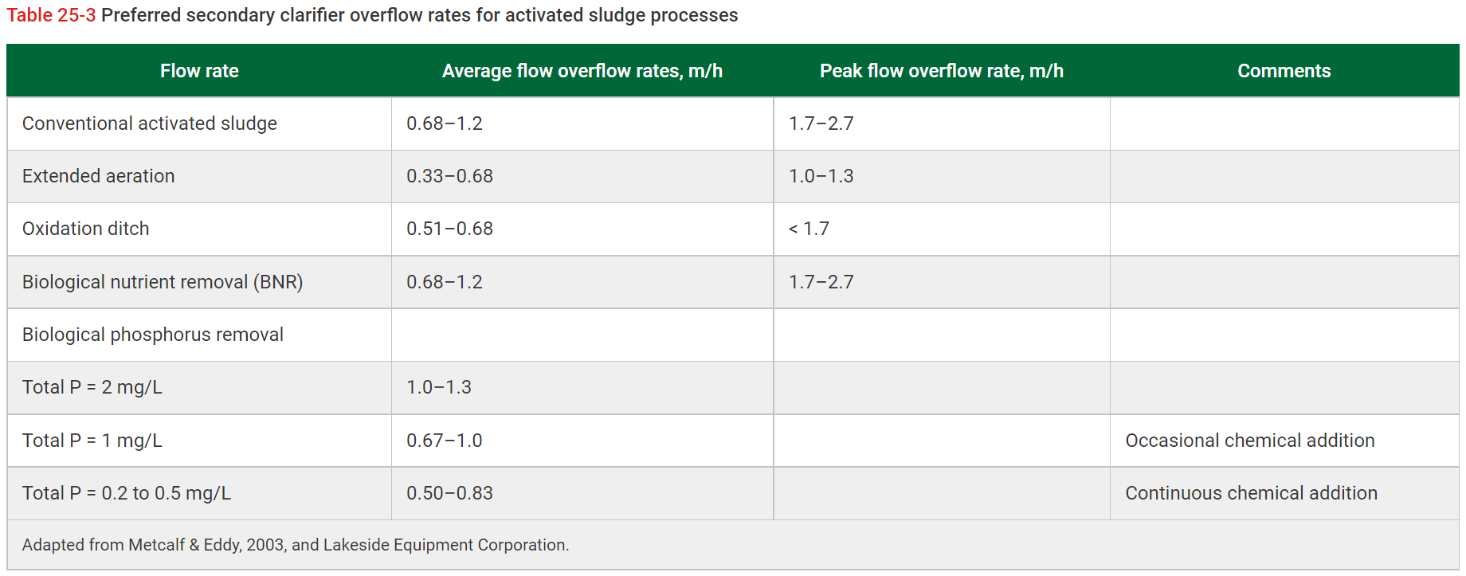
MLSS | 4000 | mg/L | (According to table 19 in the instruction)
R | 1 |  | (From 4.6.2)

Assuming that there are 2 settling tanks per line
Qd in 1 tank | 22500 | m3/d
Qh in 1 tank | 937.5 | m3/h

QdA in 1 tank | 12500 | m3/d
QhA in 1 tank | 520.83 | m3/h

Assuming geometry for iteration
Depth (D) | 4 | m | (According to Davis 2010, the depth is in the range of 4-5 m)
Length (L) | 55 | m | (According to Davis 2010, the typical length is in the range of 30-60 m)
Width (W) | 24 | m | (According to Davis 2010, the width should be in range 6-24 m)
Area | 1320 | m2
V | 5280 | m3
SLR_Qd | 136.36 | kg/(m2*d) | (Calculated based on the equation in the instruction)
 | 5.68 | kg/(m2*h)
L_HYD_Qd | 17.05 | m3/(m2*d) | (Qualified by L_HYD ≤ 24 m3/(m2*d) for Qd as in the instruction)
HRT_Qd | 0.23 | d
 | 5.63 | h

SLR_QdA | 75.76 | kg/(m2*d) | (Calculated similarly as SLR_Qd)
 | 3.16 | kg/(m2*h)
L_HYD_QdA | 9.47 | kg/(m2*d) | (Qualified by L_HYD ≤ 12 m3/(m2*d) for QdA as in the instruction)
HRT_QdA | 0.42 | d
 | 10.14 | h

Weir length | 96 | m | (There are 2 weirs and each weir has 2 sides for secondary settling tank)
Weir loading rate | 234.375 | m3/(m*d) | (OK. The typical value as shown in the lecture slide (125-250 m3/(m*d))

In this design, the HRT is exceeds the typical range.
For the HRT, the dimension of the settling can be adjusted iteratively to reach the desirable value. However, by changing these
value, the surface loading rate and solid loading rate will also be out of the typical range. Therefore, this is believed to be one of
a reasonable solution for the design.

4.8 Chemical precipitation of P
Table 21. Chemical precipitation of Phosphorus
 | Value
Influent P-tot (mg/L) | 6.58
Effluent P-tot (mg/L) | 0.3
Ferric chloride dosage (mg/L) | 72.35
Ferric chloride consumption in 24h (kg/d) | 3255.73
Ferric chloride solution (37%) consumption in 24h (L/d) | 6517.98

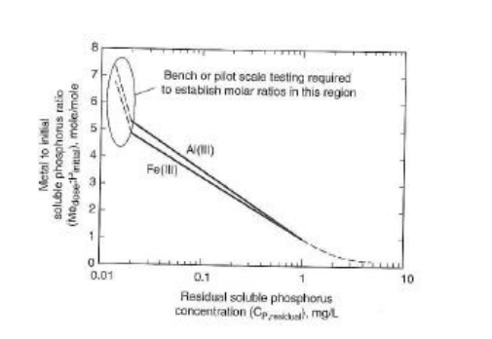

Based on the figure above, the ratio of Fe/P is 2.2 when C(P,remain) is 0.3 mg/L

Influent P-tot | 6.58 | mg/L | (From section 4.4'Primary Settling')
Fe/P | 2.2
Effluent P-tot | 0.3 | mg/L
Molar mass Fe | 55.845 | g/mol
Molar mass P | 30.974 | g/mol
Fe3+ dosage | 24.91 | mg/L | (Based on the equation in the instruction)
Molar mass FeCl3 | 162.2 | g/mol
Qd | 45000 | m3/d
Qh | 1875 | m3/h
FeCl3 dosage | 72.35 | mg/L
FeCl3 consumption | 3255.73 | kg/d
Density of FeCl3 solution | 1.35 | kg/L
FeCl3 solution concentration | 195.54 | mg/L | (Because FeCl3 is account for 37%-w in the solution)
FeCl3 solution dosage | 0.14 | L/m3
FeCl3 solution consumption | 6517.98 | L/d

5.1 Sampling and measurement
For sampling flowrate and measurement, the water sample should be collected at several points in the treatment plant. In this section, I will list out all possible location for sampling:
- The first point to take sample is before the stream enter the bar screen. The water sample from this point will be analyzed based on pH, Dissolved Oxygen, and temperature. Also, it is used for BOD and Total Suspended Solid (TSS) test
- The next sampling point will be after the preliminary treatment. This is to make sure all the units in the primary treatment are working well.
- Next, the sample will be taken from anoxic basin, and aerobic basin. The parameter that are needed from the sample are pH, temperature, total and volatile suspended solid. This information is used to assess the quality of the biomas in the system and determine the amount of waste sludge.
- Lastly, the sample should be taken at the discharge line, after the secondary settling. This is to guarantee the quality of the treated water before discharging it to the environment. Parameters that need to be considered are pH, DO, and temperature.
In addition, the waste solid from the aeration basin should be collected for sample.
To sum up, those are the general location for taking sample from the wastewater treatment plant.
References:
- City Of La Center. 2017. Wastewater Treatment Plant Sampling and Analysis Plan. Available: https://ci.lacenter.wa.us/city_departments/pdfs/WWTP_RFP/SamplingPlan_2016.pdf
- Simpson, B. 2013. Wastewater Sampling. Available: https://www.epa.gov/sites/production/files/2015-06/documents/Wastewater-Sampling.pdf

5.2 Bypassing water
Table 22. Bypassing water data
 | Value
P_effluent (g/m3) | 0.3
P_permitted (g/m3) | 0.4
P_influent (g/m3) | 6.58
Qd (m3/d) | 45000
Annual design flowrate (m3/a) | 16425000
Q_bypass | 261544.59
Q effluent water | 16163455.41
Bypass volume % | 1.59

Qd | 45000 | m3/d | (Flowrate of 1 line)
Annual flowrate | 16425000 | m3/a | (Annual flow of 1 line)

Set x = Q_bypass (m3/a)
We have
$$x×P_{influent}+\left(Q_{annual}−x\right)×P_{effluent}=Q_{annual}×P_{permitted}$$

$$⟺x×6.58+\left(16425000−x\right)×0.3=16425000×0.4$$

$$⟺6.28x=1642500$$
$$⟺x=261544.59 (\frac{m^{3}}{a})$$

Q_bypass | 261544.59 | m3/a
Q_effluent | 16163455.41 | m3/a
Bypass volume % | 1.59 | %

